detail_and_logic_explanation
`
Net Competitiveness is a logic to calculate competitiveness status of Shopee vs Competitor. Positive value means Shopee is winning.
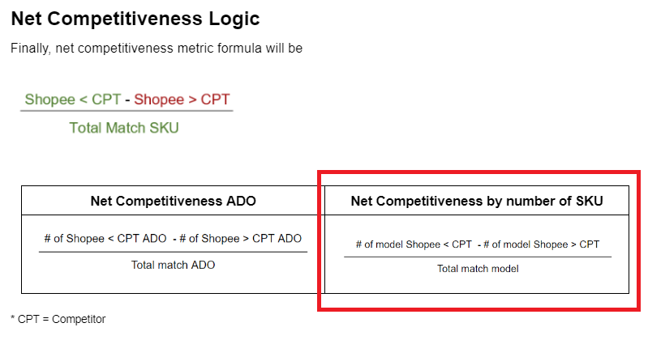

 |  |  |  | (# of model Shopee < CPT - # of model Shopee > CPT)/Total match model

ADO = Average Daily Order

________________________________________________________________________________
Q2 below

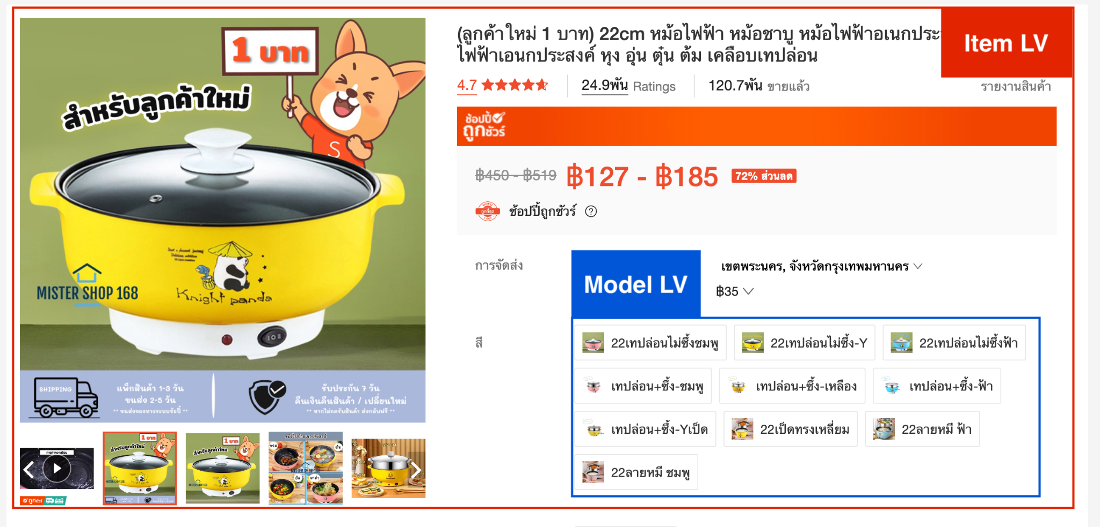
for Question 2:
Please write a python or pyspark code to re-arrange the data set to item_lv with the given priority
The dataset is provided by model level, which is subset of item_level

Single item can have multiple model
Please re-create a dataframe at item lv from this condition
If an item contain at least 1 model that the competitiveness_status is 'Shopee < CPT' then those item will be 'Shopee < CPT' for entire item
If it is not in condition 1 then check if an item contain at least 1 model that the competitiveness_status is 'Shopee = CPT' then those item will be 'Shopee = CPT' for entire item
If it is not in condition 1 and 2 then check if an item contain at least 1 model that the competitiveness_status is 'Shopee > CPT' then those item will be 'Shopee > CPT' for entire item
If the item does not meet all of three conditions, then mark as 'Others'

Example

item_id | model_id | shopee_model_competitiveness_status |  | item_id | item_competitiveness_status
10001 | 1209 | Shopee > CPT | >>> | 10001 | Shopee < CPT
10001 | 1210 | Shopee > CPT
10001 | 1211 | Shopee < CPT

